Hiearchy View
CLASS: CONVERTER
device which converts low radio frequency signal to high radio frequency signa | 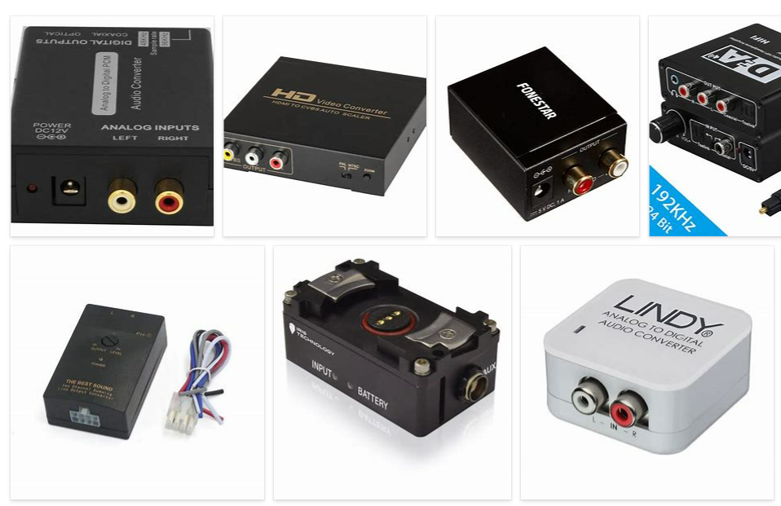
REMOVE | N

PROBLEM_DESC | CAUSE_DESC | REMEDY_DESC
BROKEN/DAMAGED
NOISE
OTHER PROBLEM
OVERHEATING
PESTS
POWER-ELEC
STOPPED/SLOWED/POOR OPS
TEMP-CTRL
VIBRATION
Grand Total

